CODE
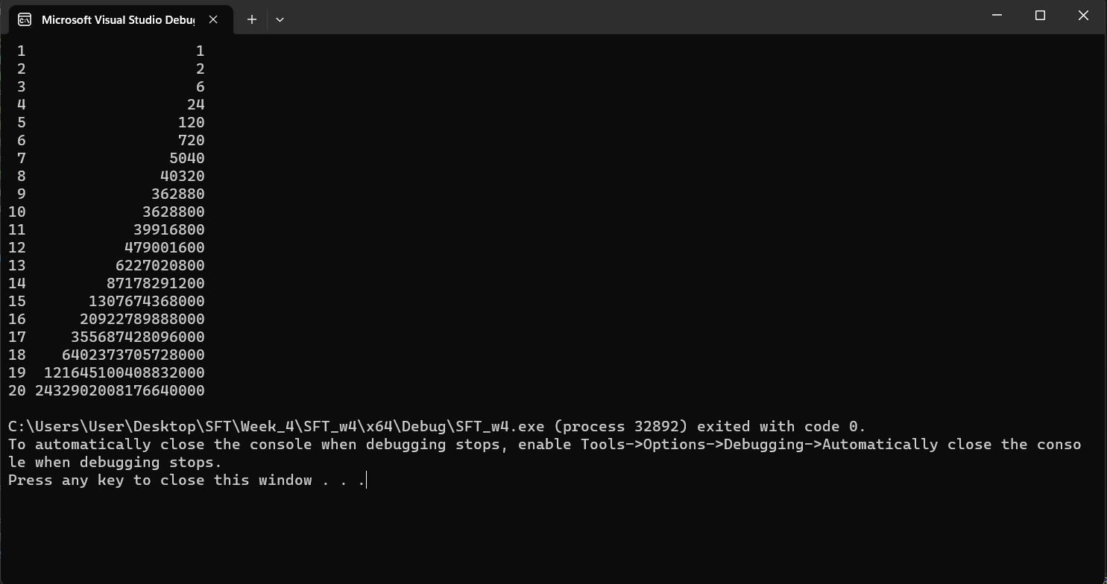
Note: Explaination in main.cpp file include old and new code.
NEW CODE
#define _CRT_SECURE_NO_WARNINGS #include <stdio.h> #define MAX_FACTORIALS 20 #define NUM_FACTS 20 struct FactorialResults { unsigned long long results[MAX_FACTORIALS]; int numResults; }; unsigned long long factorial(const int n) { if (n == 0 || n == 1) { return n; } else { return n * factorial(n - 1); } } unsigned long long reduceFactorial(const int n, const unsigned long long results) { if (n > 20) { return factorial(n - 1); } return (n > 0) ? results / n : 1; } void computeFactorials(struct FactorialResults* results, int numFactorials) { int i; for (i = 0; i < numFactorials; i++) { results->results[i] = factorial(i + 1); } results->numResults = numFactorials; } int main(void) { struct FactorialResults results = { {0}, 0 }; int i; computeFactorials(&results, NUM_FACTS); for (i = 0; i < NUM_FACTS; i++) { printf("%2d %19llu\n", i + 1, results.results[i]); } return 0; } | Output result

